Data Structure
item | Analytics Diemensions | Details
1 | vin | full vin listed
2 | build | get from perperty, os version
3 | ccpufpn | dapeng & jiawei to sharethe new peoperty
4 | vmcufpn | dapeng & jiawei to sharethe new peoperty
5 | ignitionstate | Will be included one of off/accessory/run/start/invalid
6 | speed | real time speed
7 | eventid | Combination of event categority and event action
8 | attributes | be flexible to attach the wanted data per events' attributes, refer to dictionary in following pages
9 | time
10 | vehicletotaluptime | how long the vehicles stay at that version sw, not a J1 diemension
11 | uptime
12 | user ID | Ford GUID, @jiawei output the interface to NA for reading
13 | bootcount | IVI itselt boot times at an ignition cycle
14 | fesn | NA know how to read
 |  |  |  | phase5 ECG master

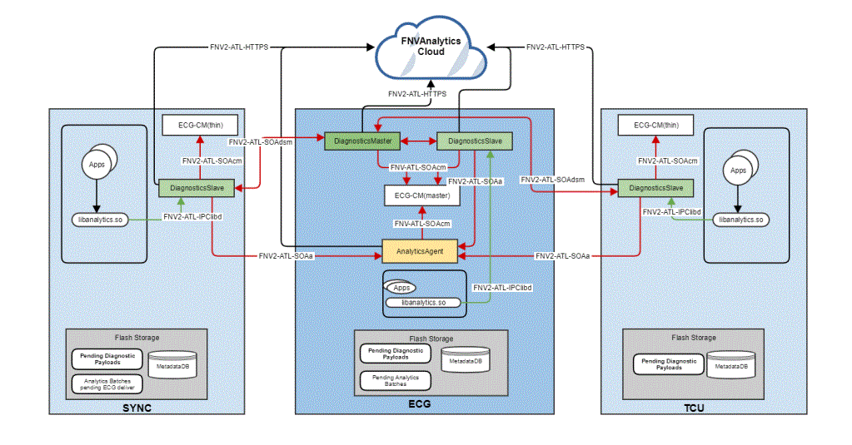
 | vehicle | decode the VIN in clode side | click

 |  |  |  | bootcount | 1
 |  |  |  | uptime | 30s

 |  |  | 10s later click
 |  |  |  | bootcount | 1
 |  |  |  | uptime | 40s

 |  |  | 10s later reboot
 |  |  |  | bootcount | 2
 |  |  |  | uptime | 0

Hardbutton - TS - ZT
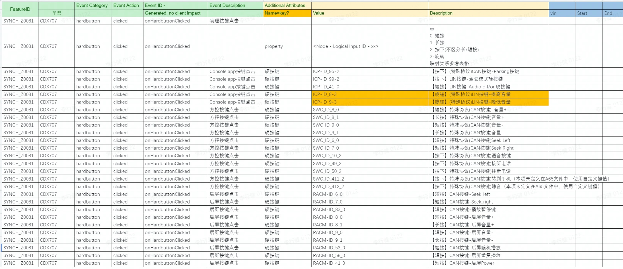
Event Category | Event Action | Event ID - | Event Description | Additional Attributes
 |  | Generated, no client impact |  | Name | Value | Description
hardbutton | clicked |  | 物理按键点击
 |  |  |  | property | <Node - Logical Input ID - xx> | xx - 0, 长按 1，短按 映射关系参考表格

suprisemessage -inhouse-kanbing
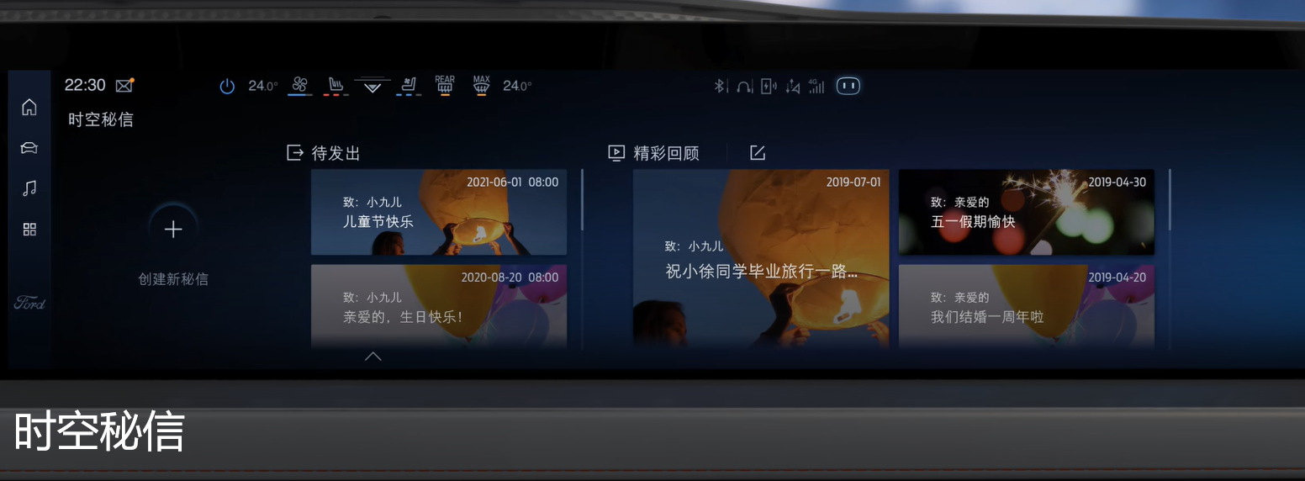
Event Category | Event Action | Event ID - | Event Description | Additional Attributes
 |  | Generated, no client impact |  | Key | Value | Description
SurpriseMessage | opened |  | 打开时空密信
SurpriseMessage | closed |  | 关闭时空密信
SurpriseMessage | published |  | 时空密信保存发布成功
 |  |  |  | 模板 | <生日快乐lxxx|xxx>
 |  |  |  | 字体 | <xxxlxxx|xxx> | 0： 福特字体； 1：汉仪； 2：尚巍
 |  |  |  | 文本内容 | <xxxx>
 |  |  |  | 文本长度 | <xxxx>
SurpriseMessage | clicked |  | 时空密信点击事件
 |  |  |  | property | <The property that changed - see below>
 |  |  |  |  | 查看更多 | 用户点击“查看更多”按钮时触发
 |  |  |  |  | 关闭密信 | 用户点击“关闭密信”按钮时触发
 |  |  |  |  | 删除 | 待发送密信被删除
 |  |  |  |  | 退出编辑 | 退出编辑页面
SurpriseMessage | speed |  | 秘信来临时，车速是否超过阈值速度
 |  |  |  | isoverspeed | <true|false>

